Sheet1
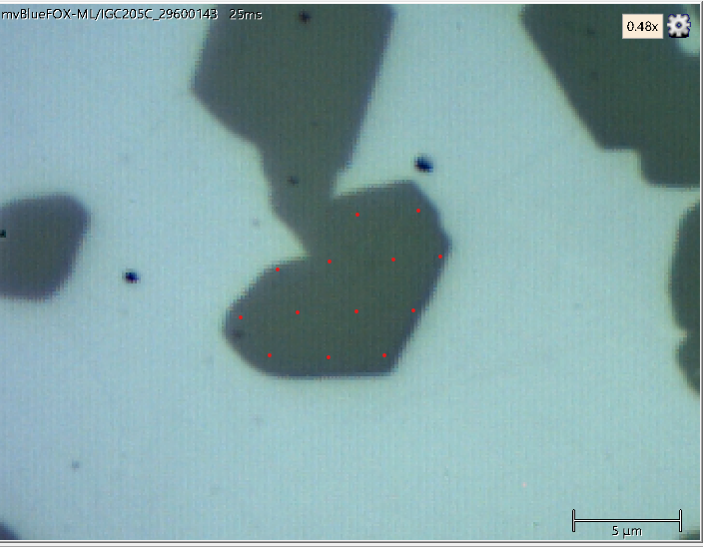
 |  | 2.5 dpa 300ºC

 |  | 774.5 | 770.8 |  |  | 787 | 788.72 | 788.72 | 788.72
 |  | 774.5 | 772.6 | 770.8 |  | 788.72 | 788.72 | 788.72 | 788.72
769 |  | 774.4 | 772.6 |  |  | 788.72 | 788.72 | 788.72 | 788.72
 | 770.8 | 769 | 787 |  |  | 788.72 | 788.72 | 788.72 | 788.72
 |  |  |  |  |  | 788.72 | 788.72 | 788.72 | 788.72

 |  | 4630 | 6637.568
 |  | 4630 | 5970.848 | 6637.568
6667.2 |  | 4667.04 | 5970.848
 | 6000.48 | 6667.2 | 637.088

 |  |  |  | 0.25 dpa 750ºC

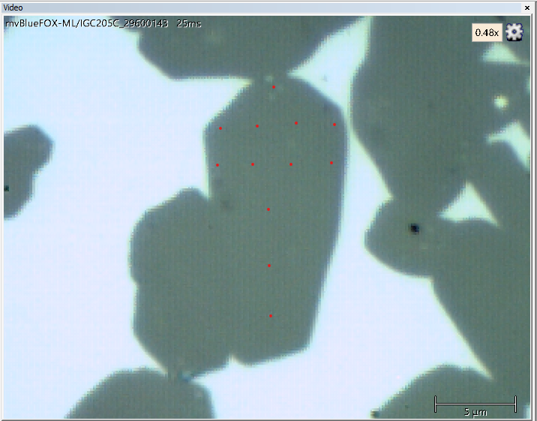

 |  |  | Peak positions |  |  |  |  |  | Reference

 |  |  | 785.14 |  |  |  |  |  | 788.72
 |  | 786 | 788.7 | 788.75 | 785 |  |  | 788.72 | 788.72 | 788.72 | 788.72
 |  | 786.9 | 786.93 | 788.72 | 786.93 |  |  | 788.72 | 788.72 | 788.72 | 788.72
 |  |  | 786.95 |  |  |  |  |  | 788.72
 |  |  | 786.95 |  |  |  |  |  | 788.72
 |  |  | 787.71 |  |  |  |  |  | 788.72

 |  |  | Stress

 |  |  | 1326.032
 |  | 1007.488 | 7.408 | -11.112 | 1377.888
 |  | 674.128 | 663.016 | 0 | 663.016
 |  |  | 655.608
 |  |  | 655.608
 |  |  | 374.104

